1. Title Page
careerfoundry-instacart-basket-analysis-project

Project Name: Instacart-Basket-Analysis-Project
Date: 08/09/2024
Analyst Name: Owais Iqbal

Contents:
Population Flow
Consistency checks
Wrangling steps
Column derivations
Visualizations
Recommendations

2. Population Flow
 | Title page

Population flow

Exclusion flag
Condition applied: max_order < 5 Number of observations removed: 1,441,488 Final total count of order_products_all: 30,991,542

Orders_products_combined
Orders_products_merged
Orders_products_all

Total:32433030
Total: 32.434.489
Total:
32433030

1.) The grey boxes in the first row of the population flow diagram indicate the raw datasets in their original state when first downloaded. In the Total fields, you must record the number of rows present when you initially imported the dataset into Jupyter.
2.) The second row of coloured boxes represents the transformed datasets after applying preprocessing steps such as handling missing values and eliminating duplicates. In the Total fields, you should include the updated row count after these modifications. This helps provide a structured overview of how the data progresses through the consistency verification process.
3.) The third row, where both the arrows and boxes are coloured, illustrates the merging of datasets. The Total fields must reflect the number of rows in the merged dataset, leading to the final dataset (highlighted in red). Remember, the final dataset should exclude any records flagged for removal, ensuring data integrity.

3. Consistency checks
 |  |  |  | Title page
Consistency checks

Dataset | Missing values | Missing values treatment | Duplicates
orders | 206209 days_since_prior_order | we replaced missing values with 0 to indicate no prior orders
products | 16 product_name |  | 5 duplicated found and droped
orders_products_prior | No Missing Values | NA | No Duplicate Values
customers | 11259 first_name | Filled missing values in first_name with 'Unknown'. | No Duplicate Values

4. Wrangling steps
 |  |  |  | Title page
Wrangling steps

Columns dropped | Columns renamed | Columns' type changed | Comment/Reason
eval_set |  |  | Found to have irrelevant information for puporses
 | order_dow
 |  | order_numer to string
 |  | user_id to string
 | Firts Name |  | Change "First Name" to "first_name"
 | Surnam |  | Change "Surnam" to "last_name"
 | STATE |  | Change "STATE" to "state"
 | GENDER |  | Change "GENDER" to "gender"
 | AGE |  | Change "AGE" to "age"
 | fam_status |  | Change "fam_status" to "family_status"
 | n_dependants |  | Change "n_dependants" to "num_dependents"

5. Column derivations
 |  |  |  | Title page

Column derivations and aggregations

In this tab you should add tables below that the frequences of flags/label variables that you produced after deriving them. NB: don't do this for continuous variables, only for flags.
Dataset | New column | Column/s it was derived from | Conditions
ords_prods_merge | price_range | prices | if row['prices'] <= 5: return 'Low-range product' elif (row['prices'] > 5) and (row['prices'] <= 15): return 'Mid-range product' elif row['prices'] > 15: return 'High range' else: return 'Not enough data'

df_ords_prods_merge | loyalty_flag | Based on the Maximum Order Number | df_ords_prods_merge.loc[df_ords_prods_merge['max_order'] > 40, 'loyalty_flag'] = 'Loyal customer' df_ords_prods_merge.loc[(df_ords_prods_merge['max_order'] <= 40) & (df_ords_prods_merge['max_order'] > 10), 'loyalty_flag'] = 'Regular customer' df_ords_prods_merge.loc[df_ords_prods_merge['max_order'] <= 10, 'loyalty_flag'] = 'New customer'
 | spending_flag | prices | user_avg_prices['spending_flag'] = user_avg_prices['prices'].apply(lambda x: 'Low spender' if x < 10 else 'High spender')
 | order_frequency_flag | days_since_prior_order | lambda x: 'Non-frequent customer' if x > 20 else ('Regular customer' if 10 < x <= 20 else 'Frequent customer'
 | Busiest day | orders_day_of_week | for value in df_ords_prods_merge["order_dow"]: if value == 0: result.append("Busiest day") elif value == 4: result.append("Least busy") else: result.append("Regularly busy")
 | busiest_days | orders_day_of_week | if row['order_dow'] in busiest_days: return 'Busiest days' elif row['order_dow'] in slowest_days: return 'Slowest days' else: return 'Regularly busy'
 | busiest_period_of_day | orders_day_of_week | if row['order_dow'] in busiest_days: return 'Busiest days' elif row['order_dow'] in slowest_days: return 'Slowest days' else: return 'Regularly busy'

df_Orders_products_all | Region | state | Mapping each state according to the region
df_filtered | age_profil | age | if 18 <= age <= 25: return 'Young Adult' elif 26 <= age <= 35: return 'Adult' elif 36 <= age <= 45: return 'Middle-aged Adult' elif 46 <= age <= 60: return 'Mature Adult' elif age >= 61: return 'Senior' else: return 'Unknown'
 | income_segment | income | if income <= 50000: return "Low income" elif income <= 100000: return "Middle income" else: return "High income"
 | family_profile | num_dependents, family status | if row['num_dependents'] == 0: if row['family_status'] == 'single': return 'Single adult' else: return 'Couple with no kids' elif row['num_dependents'] <= 2: return 'small family' else: return 'Large family'
 | department preference | department | if row['department_id'] in [1, 3, 4, 9, 13, 14, 15, 16, 19, 20]: return 'Grocery' elif row['department_id'] in [5, 7, 12]: return 'Alcohol & Beverages' elif row['department_id'] in [6, 10, 17]: return 'Household & Misc' elif row['department_id'] in [8, 18]: return 'Pets & Babies' elif row['department_id'] == 11: return 'Personal Care' else: return 'Other'
 | time_profile | order_dow | if row['order_dow'] < 5: if row['order_hour_of_day'] < 12: return 'Weekday morning shopper' else: return 'Weekday afternoon shopper' else: if row['order_hour_of_day'] < 12: return 'Weekend morning shopper' else: return 'Weekend afternoon shopper'
 | customer_profile | age_profile, income_segment,num_dependents,family_status

6. Visualizations
Title page

Visualisations

In this tab you should include all the visualtions from Exercises 4.9 and 4.10, alongside the questions from the project brief that they answer. Include any commentary on the relationship between different variables.

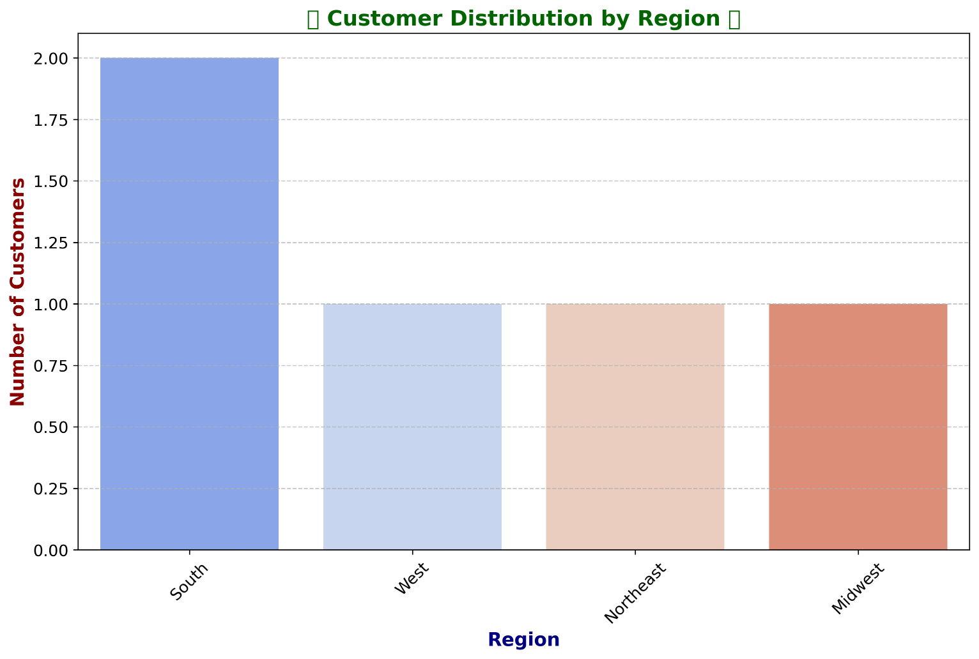
Regional Segmentation
The bar chart showed how customers were distributed across the defined regions.

Regions Defined: Customers were segmented into four regions: Northeast, Midwest, South, and West based on their states.Regions Assigned: Each customer was assigned to a region using a mapping function.

Spending Habits by Region:

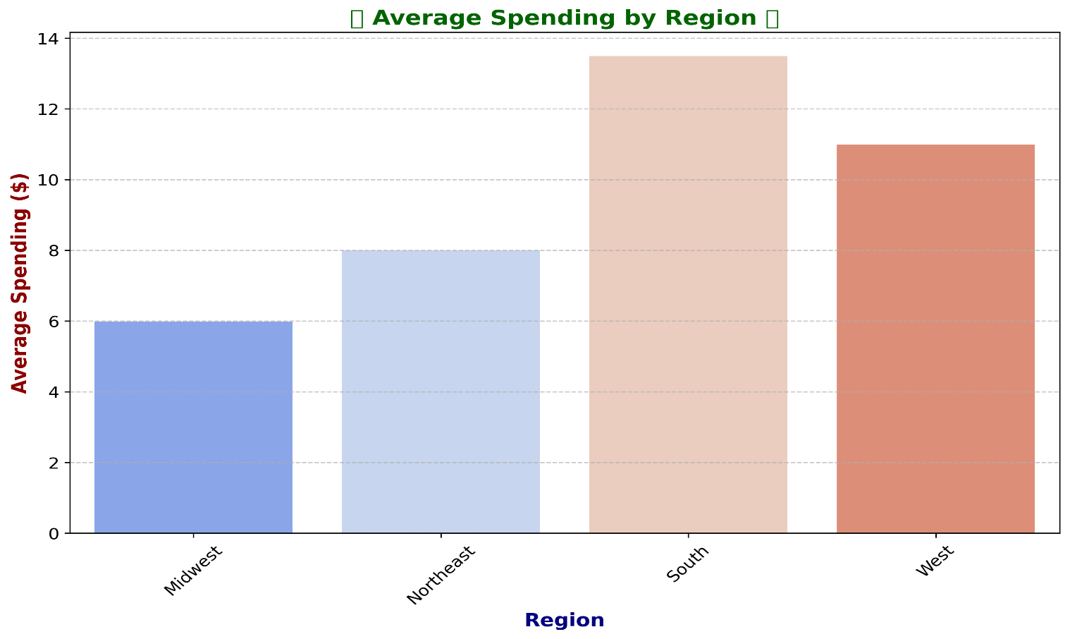

The bar chart highlighted the differences in average spending among customers from different regions.

Exclusion Flag for Low-Activity Customers

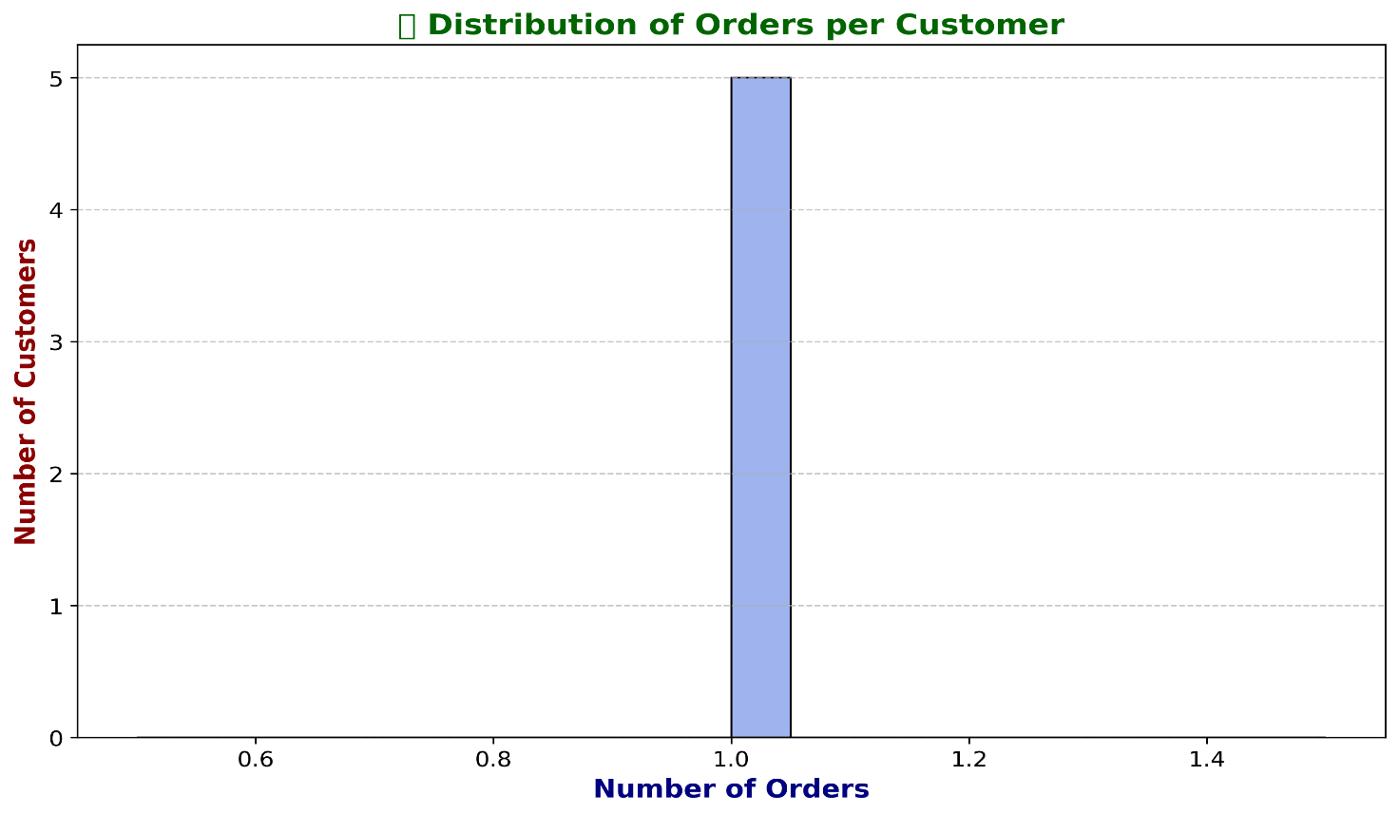

Exclusion Flag Created:Customers with less than five orders were flagged for exclusion.
Low-Activity Customers Removed: These flagged customers were removed from the dataset.
The histogram depicted the frequency of customers based on their total number of orders.

Customer Profiling

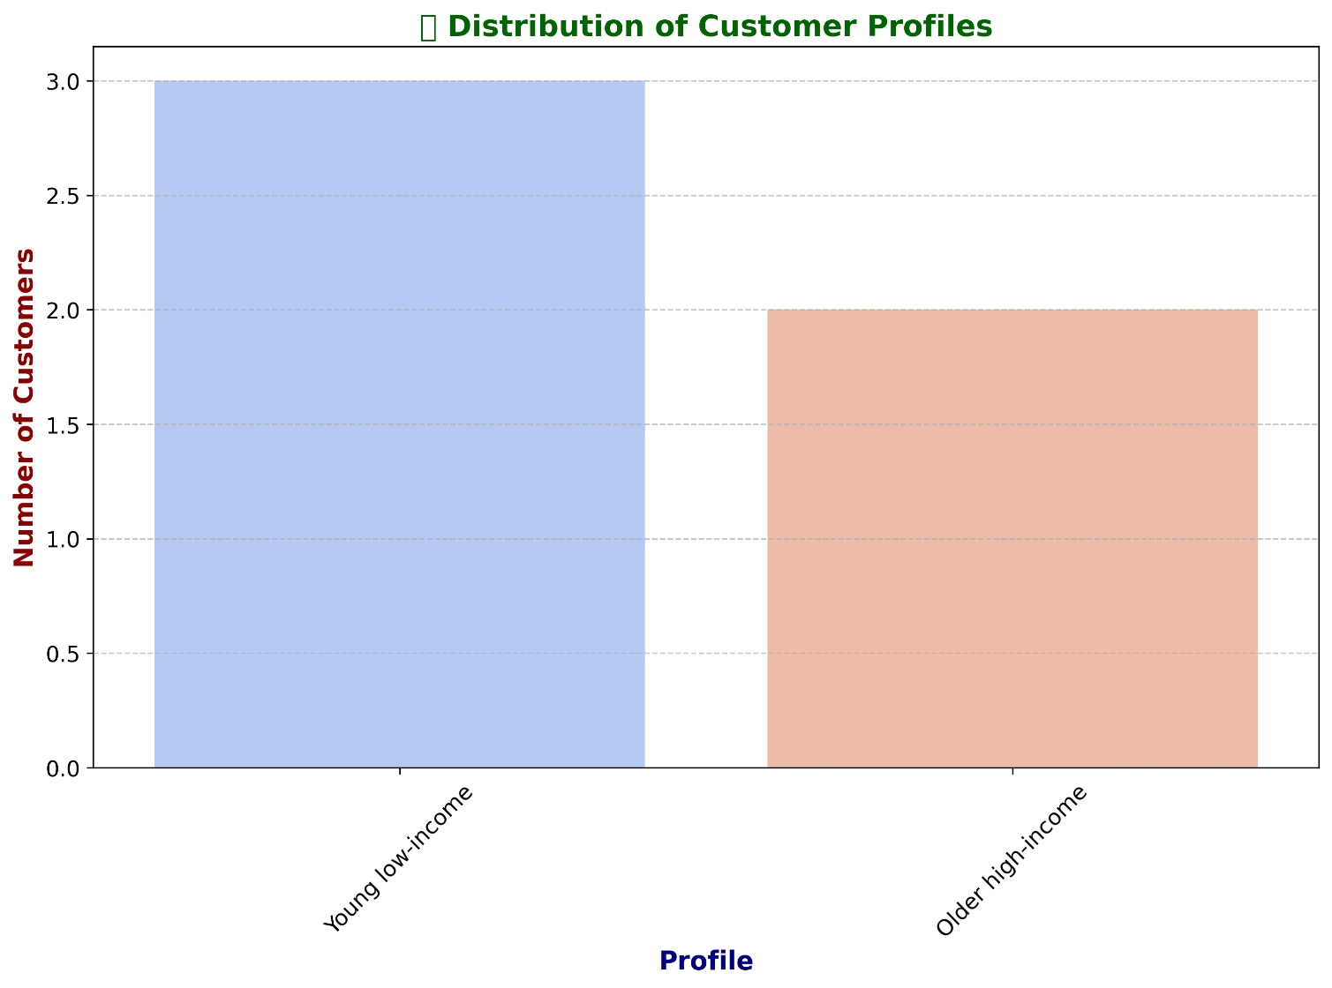

Customer profiles were created based on age and income, resulting in four categories: 'Young low-income,' 'Young high-income,' 'Older low-income,' and 'Older high-income.'
The bar chart illustrated the number of customers in each profile category.

ggregate Max, Mean, and Min for Profiles

Aggregate Metrics Calculated:The maximum, mean, and minimum values for order_id and prices were calculated for each customer profile.
Aggregated Data Saved:The aggregated data was saved to profile_aggregate.csv.

Visualization of Aggregated Data:The average spending by customer profile was visualized and saved as avg_spending_by_profile.png.
The bar chart showed the average spending habits of different customer profiles.

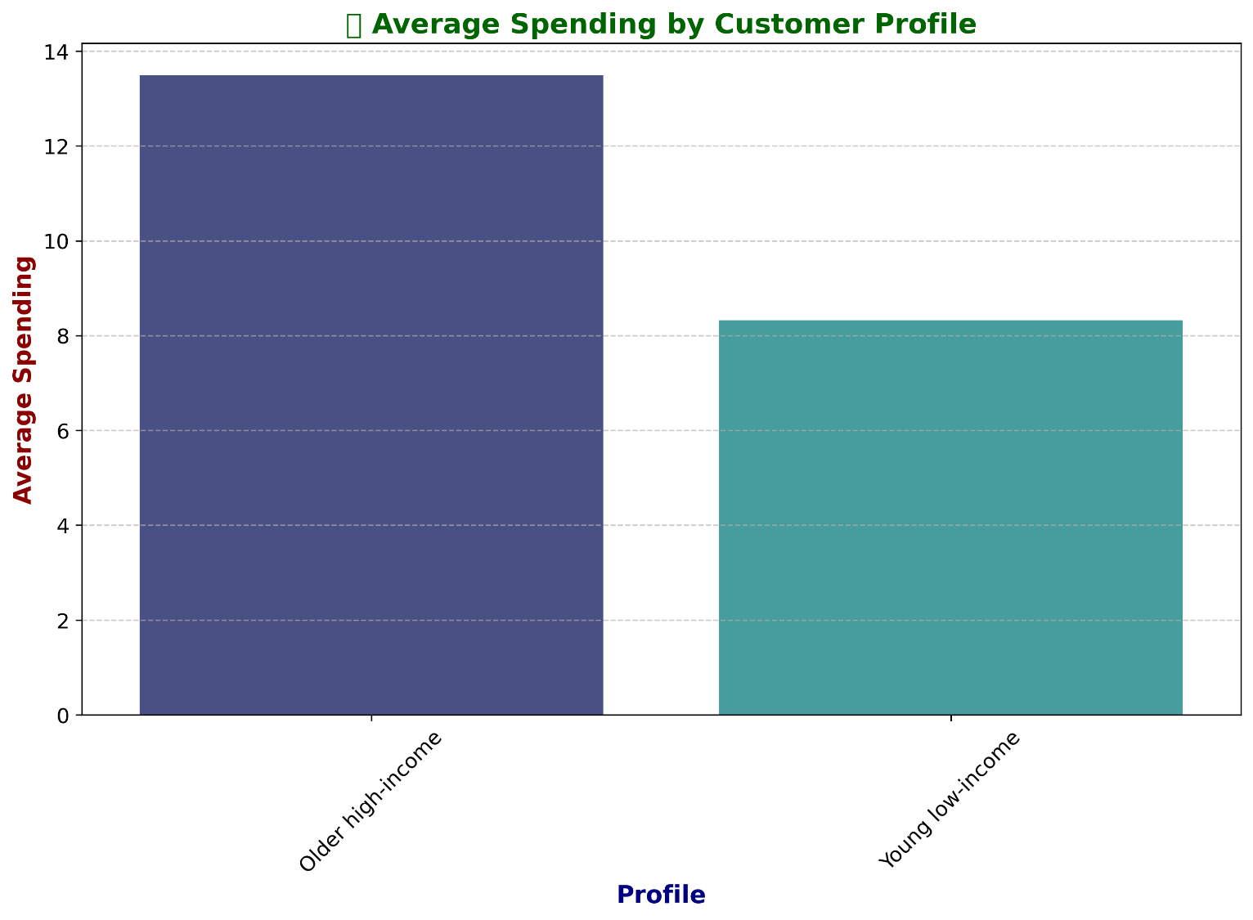

Compare Profiles with Regions and Departments

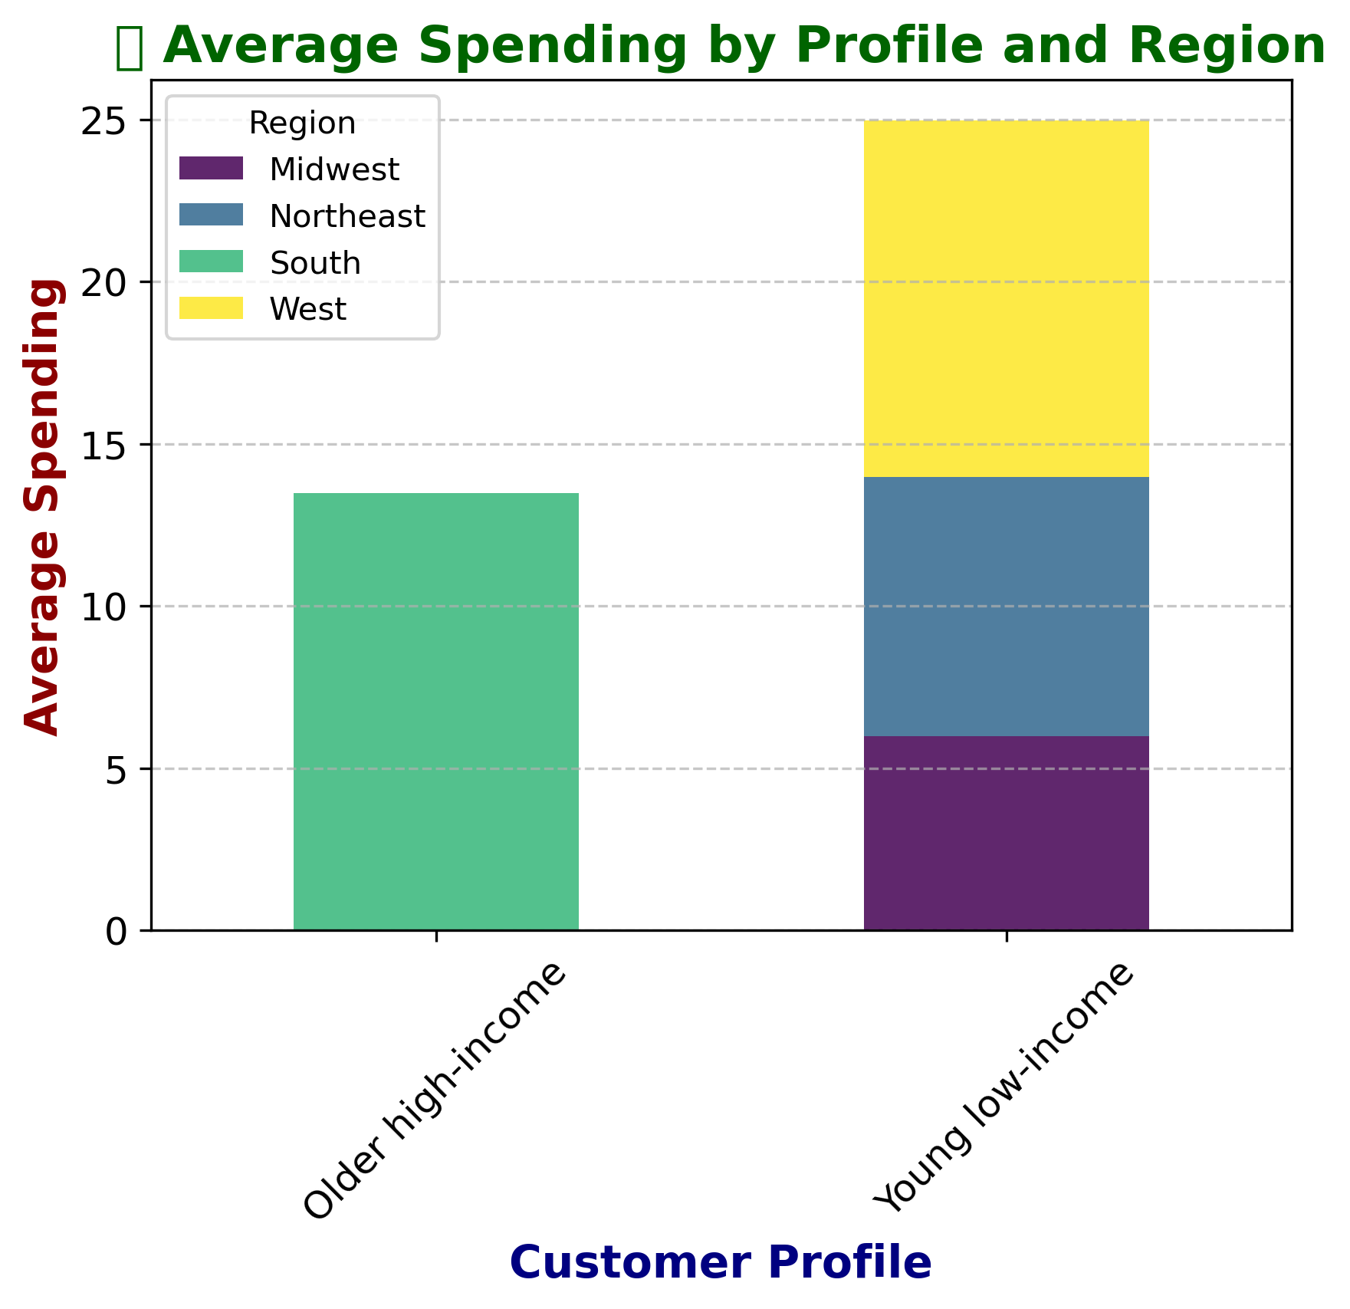

Profiles vs. Regions:A cross-tabulation of customer profiles and regions was performed to analyze average spending.
he stacked bar chart showed the average spending by profiles across different regions.

7. Recommendations
 |  | Title page

Recommendations

In this tab you should include any recommendations you would made to Instcart in terms of their marketing strategy based on the questions posed in the brief. Every key question has been covered in the Tasks of the Exercises - here you need to add an item - a visualisation or table/crosstable that is showing the answer in the data, acompanied by a comment from you. Please, list the questions below and add the answer underneath.

Question | Answer
Key Question 1 : Busiest Days and Times | Targeted Ads: Schedule promotional campaigns and ads during the least busy times (early mornings or late evenings, especially on Tuesdays and Wednesdays) to drive more traffic during off-peak hours. This can help balance the order load and improve sales during slower periods. Staffing Optimization: Ensure sufficient staffing during peak hours and days (Saturday and Sunday, especially from 9:00 AM to 4:00 PM) to handle the high volume of orders efficiently, reducing potential delays or service issues.
Key Question 2: Spending Patterns by Time of Day | Premium Product Promotion: Schedule promotions for high-value items during times when average spending is higher, such as between 8:00 AM and 3:00 PM and around 9:00 PM. Focus on promoting premium and high-priced products during these periods. Discount Offers: Consider offering discounts or special deals during lower spending periods (early morning hours) to encourage higher spending.
Key Question 3: Product Price Range Groupings | Focus on Medium and High-Priced Products: Since the majority of products fall within the medium and high price ranges, marketing campaigns should highlight these products. Create bundles or special offers that combine medium and high-priced items to encourage larger purchases. Expand Premium Product Offering: While the "Premium" range has the fewest products, consider introducing more premium items to cater to higher-income customers or those looking for luxury products.
Key Question 4: Most Popular Product Categories | Expand Popular Categories: Increase the variety within the most popular categories like Produce, Dairy & Eggs, Snacks, and Beverages. Consider introducing subcategories or new product lines within these departments. Promote Lesser-Known Categories: Create awareness campaigns or special promotions for departments with lower order frequencies, such as Bulk, Pet, and Alcohol. This can help boost sales in these categories by making customers more aware of the available products.
Key Question 5: Customer Loyalty Distribution | Retention Programs for Regular Customers: Since regular customers make up the largest segment (49%), focus on converting them into loyal customers through personalized offers, loyalty programs, and rewards for frequent purchases. Onboarding Strategy for New Customers: Develop targeted onboarding campaigns for new customers, including introductory offers, discounts on their first few orders, and personalized product recommendations to encourage repeat purchases.
Key Question 6: Differences in Ordering Habits by Loyalty Status | Since average spending is consistent, efforts to upsell or cross-sell products might be effective. Promoting complementary products or bundling items could encourage customers to spend more per order. Dynamic Pricing & Deals: Offering time-sensitive deals on frequently purchased items could motivate customers to add more to their cart, increasing average order value. Feedback Mechanism: Implement a feedback mechanism to understand what keeps loyal engaged and what might be improved to increase their ordering frequency.
Key Question 7: Differences in Ordering Habits by Customer Region | 1. Southwest Region: Focus on Senior, High Income, Large Family Segment: Tailored Promotions: Develop promotions specifically for this segment, focusing on products that cater to larger households with higher disposable income, such as bulk buying, premium brands, and health-related products. Loyalty Programs: Create loyalty programs that reward frequent high spenders, encouraging them to continue their strong engagement with Instacart. Community Engagement: Consider community-driven marketing efforts that resonate with senior customers, such as partnerships with local senior centers or events. 2. West Region: Optimize for Senior, High Income, Large Family Segment: Custom Bundles: Offer bundle deals that appeal to large families, such as meal kits, household essentials in bulk, and premium groceries. Balanced Marketing: While targeting the senior, high-income segment, ensure that marketing strategies still appeal to a wide range of customer profiles to maintain balanced spending. 3. Midwest Region: Engage Senior, High Income, Large Family Segment: Seasonal Campaigns: Implement seasonal campaigns that offer special deals on products popular with this demographic, like holiday-specific items, health foods, and family-oriented products. Expand Offerings: Consider expanding the range of products that are popular with this demographic, ensuring that Instacart offers the best selection in the region. 4. Northeast Region: Target Mature Adult, High Income, Small Family Segment: Personalized Marketing: Use personalized marketing tactics, such as targeted ads and email campaigns, focusing on the unique needs of small families with high income, including premium, organic, or specialty items. Value-Added Services: Introduce value-added services that appeal to this profile, such as express delivery or curated product recommendations that save time and enhance convenience.
Key Question 8: Connection Between Age and Family Status in Ordering Habits | Seniors: Ensure a wide selection of health-related products, easy-to-prepare meals, and possibly more premium goods for those with higher income in this category. Young Adults: Stock more convenience items, trendy or niche products (like organic or health-conscious brands), and single-serving packages. Personalized Promotions: Use this demographic data to tailor promotions. For example, send targeted offers to Young Adults for quick meal solutions or to Seniors for health and wellness products. Content Marketing: Develop content (blogs, newsletters) focused on each segment's interests, such as family meal ideas for married couples or budget-friendly shopping tips for single Young Adults.
Key Question 9: What different classifications does the demographic information suggest? Age? Income? Certain types of goods? Family status? | Target High-Income Seniors: Focus marketing efforts on high-income senior profiles across all regions. These customers consistently show high spending in the grocery category, making them a key segment for loyalty programs, premium offerings, and exclusive deals. Expand Niche Categories: Increase visibility and appeal of underperforming departments like "Personal Care" and "Pets & Babies" by offering targeted promotions or introducing new products that cater to specific needs, particularly for low-income or niche customer segments. Develop Regional Marketing Strategies: Tailor campaigns to regional differences, emphasizing high-income and senior profiles in the South and West. In regions where customer profiles are underrepresented, explore new product offerings or localized promotions to stimulate growth. Cater to Small Families: Enhance convenience for small families by offering solutions like meal kits, bulk buying options, or subscription services. These strategies could increase purchase frequency and basket size among this consistently reliable customer base.
Aditional Information: Age/Income Relationship | Tailored Marketing Strategies: Focus on budget-friendly products for younger customers (20-40 years). Promote premium and luxury items to middle-aged customers (40-60 years). Offer health-focused and convenient products for older customers (60-80 years). Income-Sensitive Bundling: Create product bundles that cater to different income levels within each age group, offering both budget and premium options. Financial Planning Resources: Provide financial education and planning resources for younger and middle-aged customers to help manage their expenses. Targeted Loyalty Programs: Design tiered loyalty programs that reflect different spending capacities, offering rewards that encourage consistent engagement across income brackets. Health and Retirement Products: Promote products that support health, wellness, and retirement planning for older adults, catering to their diverse income levels.
Aditional Information: Average Number of Dependents by Age | Tailored Marketing Strategies: Knowing that family size and dynamics can vary within age groups allows for more nuanced marketing campaigns. For example, products for families with young children might be more relevant for certain age groups, while others might prioritize products for older dependents or empty-nesters. Product Development: This information could guide product development teams to design offerings that cater to the specific needs of these varied family structures within each age group. Personalized Customer Engagement: It allows for the creation of more personalized customer experiences, where communication and promotions are tailored to the unique family situations of customers, leading to better engagement and customer satisfaction.
Aditional Information:Department Preferences by Region | Focus on Grocery: Given its overwhelming dominance, efforts to optimize and expand offerings in this department should be prioritized. Consider regional preferences and tailor the product mix accordingly. Regional Strategies: West: This region has a strong presence in Grocery. Consider exploring the reasons behind this and whether it can be replicated in other regions. Midwest: Despite having the smallest overall segment, the Midwest still shows significant activity in Grocery. Efforts here could be focused on improving customer engagement or cross-selling other categories. Secondary Departments: For departments like Alcohol & Beverages, consider targeted promotions or bundling with Grocery items to increase sales.

